BOM
Item | Part Number | Thumbnail | BOM Structure | Unit QTY | QTY | Stock Number | Description | REV
1 | VersaFrame 45 Degree Gusset (217-3552) | 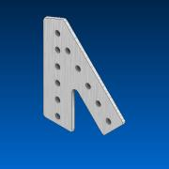 | Normal | Each | 8 |  | STEP AP214 | ANY
2 | 1_2” Hex Bore Aluminum VersaHub (217-2592) | 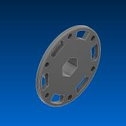 | Normal | Each | 8 |  | STEP AP203 | ANY
3 | 217-2613-001 Rev1 | 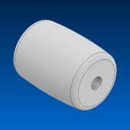 | Normal | Each | 128 |  |  | ANY
4 | 217-2613-003 Rev1 | 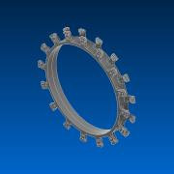 | Normal | Each | 4 |  |  | ANY
5 | 217-2613-002 Rev1 | 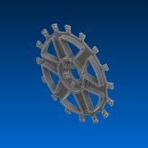 | Normal | Each | 8 |  |  | ANY
6 | 217-2613-004 Rev1 | 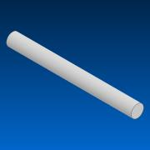 | Normal | Each | 128 |  |  | ANY
7 | BEAM-0750 | 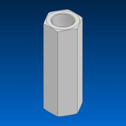 | Normal | Each | 24 |  |  | ANY
8 | 90116A020_90116A020 | 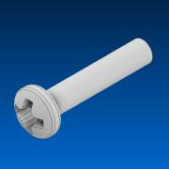 | Normal | Each | 128 |  |  | ANY
9 | 217-2584-005 Rev1 A | 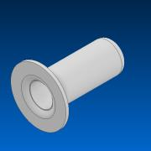 | Normal | Each | 16 |  |  | ANY
10 | #8-32 x 0.625 Star Drive Screw (276-4993) | 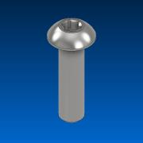 | Normal | Each | 56 |  | STEP AP214 | ANY
11 | VersaFrame Plus Gusset (217-3550) | 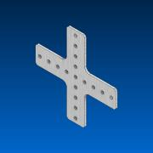 | Normal | Each | 6 |  | STEP AP214 | ANY
12 | VersaFrame T Gusset (217-3547) | 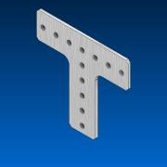 | Normal | Each | 10 |  | STEP AP214 | ANY
13 | VersaPlanetary CIM Adapter (217-4018) | 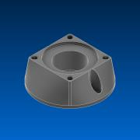 | Normal | Each | 8 |  | STEP AP203 | ANY
14 | 217-6515-Back 20190920 | 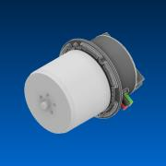 | Normal | Each | 8 |  |  | ANY
15 | 217-6515-201 Rev6 | 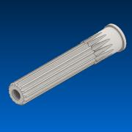 | Normal | Each | 8 |  |  | ANY
16 | 217-6515-202 Rev6 | 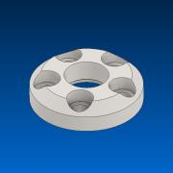 | Normal | Each | 8 |  |  | ANY
17 | 217-6515-002 Rev6 | 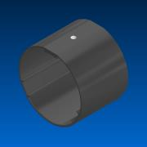 | Normal | Each | 8 |  |  | ANY
18 | M2.5 SHCS, Grade 8 Steel Rev1_SSAM2.5-06MMZB | 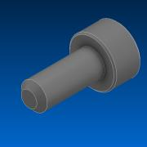 | Normal | Each | 40 |  |  | ANY
19 | 217-6515-010 Rev1_9262K442 | 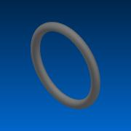 | Normal | Each | 8 |  |  | ANY
20 | 217-6515-001 Rev6 | 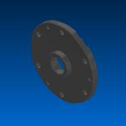 | Normal | Each | 8 |  |  | ANY
21 | 217-6515-005 Rev4_7804K116 | 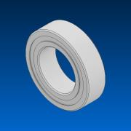 | Normal | Each | 8 |  |  | ANY
22 | M3 BHTS-SECURE, Grade 8 Steel Rev1_SBTM3-24MMZB-SECURE | 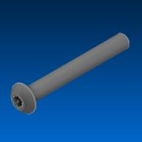 | Normal | Each | 24 |  |  | ANY
23 | M3 BHTS, Grade 8 Steel Rev1_SBTM3-50MMZB | 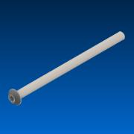 | Normal | Each | 24 |  |  | ANY
24 | 217-6515-308 Rev5 | 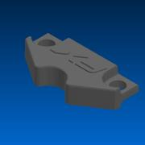 | Normal | Each | 8 |  |  | ANY
25 | #4-40 SHCS, Grade 8 Steel Rev2_SSA0440-0125ZB | 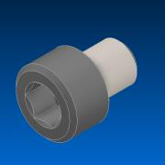 | Normal | Each | 16 |  |  | ANY
26 | 217-4649-007 Rev1_94105A824 | 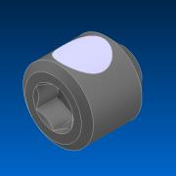 | Normal | Each | 62 |  |  | ANY
27
28 | 217-4155-001 Rev6 | 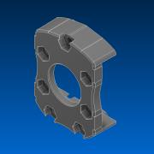 | Normal | Each | 16 |  |  | ANY
29 | 217-4155-003 Rev1_SSA1032-1375ZB | 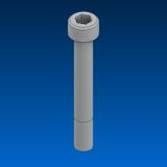 | Normal | Each | 24 |  |  | ANY
30 | 217-4155-002 Rev2_NNY1032-ZC | 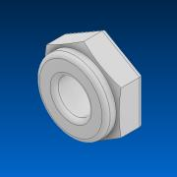 | Normal | Each | 24 |  |  | ANY
31 | 13.75mm (1_2 ThunderHex ID) x 1.125 OD x 0.313 WD (Flanged Bearing) (217-4006) | 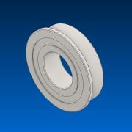 | Normal | Each | 48 |  | STEP AP214 | ANY
32 | 217-6293-001 Rev4 | 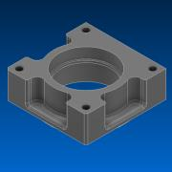 | Normal | Each | 4 |  |  | ANY
33 | 217-2742-001 Rev4 | 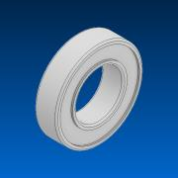 | Normal | Each | 28 |  |  | ANY
34 | 217-6293-002 Rev4 | 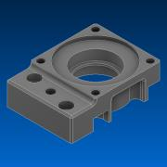 | Normal | Each | 4 |  |  | ANY
35 | 217-2741-001 Rev4 | 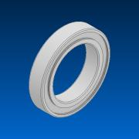 | Normal | Each | 4 |  |  | ANY
36 | 217-6293-003 Rev2_217-3344 Rev7 | 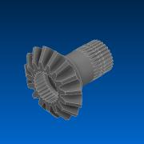 | Normal | Each | 4 |  |  | ANY
37 | 217-6293-004 Rev1_217-3344 Rev7 | 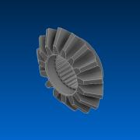 | Normal | Each | 4 |  |  | ANY
38 | 217-6293-005 Rev2 | 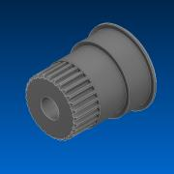 | Normal | Each | 4 |  |  | ANY
39 | 217-6293-006 Rev1 |  | Normal | Each | 4 |  |  | ANY
40 | #.25-20 BHS, Grade 8 Steel Rev1_SBS2520-0375ZB | 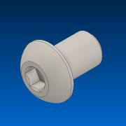 | Normal | Each | 4 |  |  | ANY
41 | 217-2625-017 Rev1_9714K61 |  | Normal | Each | 16 |  |  | ANY
42 | M4 SHCS, Grade 8 Steel_SSAM4-16MMZB | 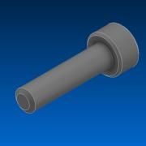 | Normal | Each | 8 |  |  | ANY
43 | 217-2625-018 Rev1_98541A410 | 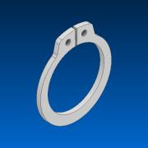 | Normal | Each | 8 |  |  | ANY
44 | 217-6293-007 Rev2_91595A074 | 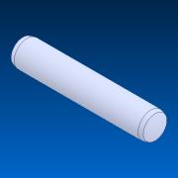 | Normal | Each | 8 |  |  | ANY
45 | 217-2625-026 Rev1 | 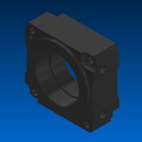 | Normal | Each | 8 |  |  | ANY
46 | 217-2816-001 Rev1 | 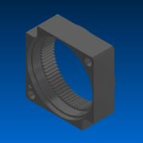 | Normal | Each | 12 |  |  | ANY
47 | 217-2625-008 Rev3 | 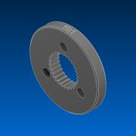 | Normal | Each | 12 |  |  | ANY
48 | 217-2625-010 Rev1 | 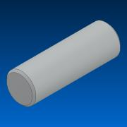 | Normal | Each | 36 |  |  | ANY
49 | 217-2625-005 Rev3_Planet_Revolving_Follower01 | 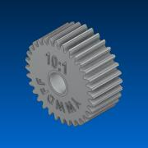 | Normal | Each | 36 |  |  | ANY
50 | 217-2625-007 Rev6_Sun_Driver01 | 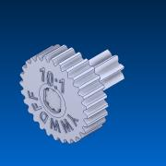 | Normal | Each | 8 |  |  | ANY
51 | #8-32 SHCS, Grade 8 Steel Rev2_SSA0832-0875ZB | 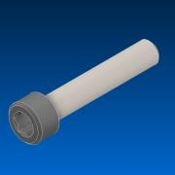 | Normal | Each | 8 |  |  | ANY
52 | 217-5839-001 Rev6 | 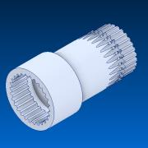 | Normal | Each | 6 |  |  | ANY
53 | 217-5839-005 Rev1_91251A148 | 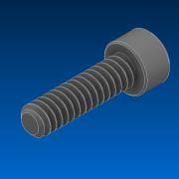 | Normal | Each | 6 |  |  | ANY
54 | 217-5839-006 Rev4 |  | Normal | Each | 6 |  |  | ANY
55 | 217-4783-001 Rev3 |  | Normal | Each | 8 |  |  | ANY
56 | 217-4783-002 Rev7_Sealed Config |  | Normal | Each | 8 |  |  | ANY
57 | 217-4783-005 Rev7_40t_spur_REF_14deg |  | Normal | Each | 8 |  |  | ANY
58 | 217-4783-004 Rev2_40t_spur_REF_14deg |  | Normal | Each | 8 |  |  | ANY
59 | 217-4783-008 Rev2 |  | Normal | Each | 8 |  |  | ANY
60 | PCBA Rev3 |  | Normal | Each | 8 |  |  | ANY
61 | 217-2788-001 Rev3_57155K375 |  | Normal | Each | 8 |  |  | ANY
62 | 217-4783-006 Rev3 |  | Normal | Each | 16 |  |  | ANY
63 | 217-4783-007 Rev1 |  | Normal | Each | 8 |  |  | ANY
64 | 217-4783-003 Rev4 |  | Normal | Each | 8 |  |  | ANY
65 | VersaFrame 135 Degree Gusset Modified (217-3556) |  | Normal | Each | 8 |  | STEP AP214 | ANY
66 | Clamping Shaft Collar - 1_2 Hex ID (217-2737) |  | Normal | Each | 54 |  | STEP AP203 | ANY
67
68
69
70 | 302 (1_4 ThunderSquare) ID x 0.875 OD x 0.280 WD (Flanged Bearing) (217-5830) |  | Normal | Each | 16 |  | STEP AP214 | ANY
71 | 217-5852-001 Rev5 |  | Normal | Each | 16 |  |  | ANY
72 | #8-32 SHCS, Grade 8 Steel Rev2_SSA0832-1375ZB |  | Normal | Each | 32 |  |  | ANY
73 | 217-5852-003 Rev1_90633A009 |  | Normal | Each | 32 |  |  | ANY
74 | 276-6050-001 Web |  | Normal | Each | 4 |  |  | ANY
75 | 276-6050-002 Web |  | Normal | Each | 4 |  |  | ANY
76 | 276-6050-005 Web |  | Normal | Each | 4 |  |  | ANY
77 | 276-6050-015 Web |  | Normal | Each | 4 |  |  | ANY
78 | 276-6050-019 Web |  | Normal | Each | 16 |  |  | ANY
79 | 276-6050-901 Web |  | Normal | Each | 4 |  |  | ANY
80 | 276-6050-013 Web_276-6050-013 Rev6 |  | Normal | Each | 4 |  |  | ANY
81 | 217-4775-001 Rev5 |  | Normal | Each | 4 |  |  | ANY
82 | 217-4775-003 Rev5 |  | Normal | Each | 8 |  |  | ANY
83 | 217-4775-004 Rev1_Smooth |  | Normal | Each | 40 |  |  | ANY
84 | 217-4775-005 Rev1 |  | Normal | Each | 40 |  |  | ANY
85 | 217-4775-007 Rev1 |  | Normal | Each | 40 |  |  | ANY
86 | 217-2584-009 Rev1 |  | Normal | Each | 80 |  |  | ANY
87 | 217-2584-007 Rev1_90116A020 |  | Normal | Each | 40 |  |  | ANY
88 | 1_2 VersaHex Adapters (1_4 Square Bore, 1_4 Long) (6 Pack) (217-5950) |  | Normal | Each | 8 |  | STEP AP214 | ANY
89 | Low Profile High Strength Clamping Shaft Collar (276-7580) |  | Normal | Each | 12 |  | STEP AP214 | ANY
90
91
92 | #8-32 Nylock Nut (275-1027) |  | Normal | Each | 356 |  | STEP AP203 | ANY
93
94 | 2.00 Standoff (275-1018) |  | Normal | Each | 8 |  | STEP AP214 | ANY
95 | 1_8 Spacer 1_4 Hex Custom |  | Normal | Each | 4
96 | 1_3 Spacer 1_4 Hex Custom |  | Normal | Each | 4
97 | Bearing Blocks (276-2016-001) |  | Normal | Each | 4 |  | STEP AP203 | ANY
98 | 1.00 Standoff (275-1016) |  | Normal | Each | 14 |  | STEP AP214 | ANY
99
100 | 276-4855-001 Rev2 - Web |  | Normal | Each | 2 |  |  | ANY
101 |  |  | Normal | Each | 2 |  |  | ANY
102 | 276-4840-902 Rev1 - Web |  | Normal | Each | 2 |  |  | ANY
103 | VersaFrame 45 Degree Gusset Modified (217-3552) |  | Normal | Each | 4 |  | STEP AP214 | ANY
104 | VersaFrame 90 Degree Gusset Modified(217-3548) |  | Normal | Each | 4 |  | STEP AP214 | ANY
105 | #8-32 x 2.500 Star Drive Screw (276-8016) |  | Normal | Each | 134 |  | STEP AP214 | ANY
106 | #8-32 x 1.500 Star Drive Screw (276-4998) |  | Normal | Each | 154 |  | STEP AP214 | ANY
107 | #8-32 x 0.500 Star Drive Screw (276-4992) |  | Normal | Each | 30 |  | STEP AP214 | ANY
108 | VersaFrame 135 Degree Gusset (217-3556) |  | Normal | Each | 8 |  | STEP AP214 | ANY
109
110 | #8-32 x 0.875 Star Drive Screw (276-4995) |  | Normal | Each | 2 |  | STEP AP214 | ANY
111 | VersaFrame 135 Degree Gusset Modifed 2(217-3556) |  | Normal | Each | 8 |  | STEP AP214 | ANY
112 | VersaFrame 45 Degree Gusset Modified 2 (217-3552) |  | Normal | Each | 8 |  | STEP AP214 | ANY
113 | Large Motor Spacer |  | Normal | Each | 4
114 | Small Motor Spacer |  | Normal | Each | 4
115 | #8-32 x 0.750 Star Drive Screw (276-4994) |  | Normal | Each | 14 |  | STEP AP214 | ANY
116 | Ramp Using 1__16 Gray Tinted Polycarbonate Sheet (36 x 72) (217-6627) |  | Normal | Each | 1
117 | Basketball |  | Normal | Each | 0
118
119 | VersaFrame 30 Degree Gusset (217-3555) |  | Normal | Each | 8 |  | STEP AP214 | ANY
120 | VersaFrame Side Bearing Gusset (217-3553) |  | Normal | Each | 28 |  | STEP AP214 | ANY
121 | Colson Performa 3.5 x 1.25, 1_2 Hex bore (217-4048) |  | Normal | Each | 24 |  | STEP AP203 | ANY
122
123 | VersaFrame Corner Gusset (217-4238) |  | Normal | Each | 2 |  | STEP AP203 | ANY
124 | 217-2625-003 Rev1 |  | Normal | Each | 2 |  |  | ANY
125 | 217-2625-007 Rev1_Public |  | Normal | Each | 4 |  |  | ANY
126 | 1_2 Standoff (275-1014) |  | Normal | Each | 2 |  | STEP AP214 | ANY
127 | 36T x 9mm Wide Double Flange Aluminum Pulley (GT2 3mm, 1_2 Hex Bore) (217-5873) |  | Normal | Each | 2 |  | STEP AP214 | ANY
128 | 48T x 9mm Wide Double Flange Aluminum Pulley (GT2 3mm, 1_2 Hex Bore) (217-5874) |  | Normal | Each | 2 |  | STEP AP214 | ANY
129 | 1_8 Acetal Spacer - 1_2 Hex (217-2758) |  | Normal | Each | 20 |  | STEP AP203 | ANY
130 | 110T x 9mm Wide Timing Belt (GT2 3mm) (217-5890) |  | Normal | Each | 2
131
132 | 24T x 9mm Wide Double Flange Aluminum Pulley (HTD 5mm, 1_2” Hex Bore) (217-3227) |  | Normal | Each | 12 |  | STEP AP214 | ANY
133 | 225T x 9mm Wide Timing Belt (HTD 5mm)(217-3469) |  | Normal | Each | 2
134
135 | 18T x 9mm Wide Double Flange Aluminum Pulley (HTD 5mm, 1_2” Hex Bore) (217-3225) |  | Normal | Each | 4 |  | STEP AP214 | ANY
136 | 120T x 9mm Wide Timing Belt (HTD 5mm)(217-3461) |  | Normal | Each | 2
137 | 1_16 Thick x 1.5 Wide Urethane Flat Belting (10 Long)(217-6001) |  | Normal | Each | 4
138 | 1_16 Thick x 2 Wide Urethane Flat Belting (10 Long)(217-6002) |  | Normal | Each | 2
139 | 1_2 Acetal Spacer - 1_2 Hex (217-2758) |  | Normal | Each | 18 |  | STEP AP203 | ANY
140 | 1_4 Acetal Spacer - 1_2 Hex (217-2758) |  | Normal | Each | 24 |  | STEP AP203 | ANY
141
142 | 5 Straight Flex Wheel (60A) (217-6455) |  | Normal | Each | 14 |  | STEP AP214 | ANY
143 | 217-8079-002 Rev1 |  | Normal | Each | 28 |  |  | ANY
144 | 1/2” Hex Bore Plastic VersaHub v2 |  | Normal | Each | 28 |  |  | ANY
145 | #8-32 x 2.000 Star Drive Screw |  | Normal | Each | 84 |  | STEP AP214 | ANY
146 | 80T x 9mm Wide Timing Belt (HTD 5mm)(217-3456) |  | Normal | Each | 4
147 | 1_16 Acetal Spacer - 1_2 Hex (217-2758) |  | Normal | Each | 2 |  | STEP AP203 | ANY
148 | Intake Joint Holder Using 1__16 Gray Tinted Polycarbonate Sheet (36 x 72) (217-6627) |  | Normal | Each | 8
149 | Intake VersaFrame VersaPlanetary Side Mount Modified (217-4239) |  | Normal | Each | 2 |  | STEP AP203 | ANY
150 | Intake Motor Holder Using 1__16 Gray Tinted Polycarbonate Sheet (36 x 72) (217-6627) |  | Normal | Each | 4
151
152
153
154
155 | 5.00 Standoff (275-1022) |  | Normal | Each | 8 |  | STEP AP214 | ANY
156 | #8-32 x 1.000 Star Drive Coupler (276-4988) |  | Normal | Each | 4 |  | STEP AP214 | ANY

 | 1 x 1 x 0.040 x 14 Intake Pre-Drilled VersaFrame Aluminum Tube Stock Cut Modified (217-3426) |  | Normal | Each | 4 |  | STEP AP203 | ANY
 | 1 x 1 x 0.040 x 29 Pre-Drilled VersaFrame Aluminum Tube Stock Cut (217-3426) |  | Normal | Each | 4 |  | STEP AP203 | ANY
 | 1 x 1 x 0.040 x 26 Tower Stablizer Pre-Drilled VersaFrame Aluminum Tube Stock Cut (217-3426) |  | Normal | Each | 4 |  | STEP AP203 | ANY
 | 1 x 1 x 0.040 x 14 Pre-Drilled VersaFrame Aluminum Tube Stock Cut (217-3426) |  | Normal | Each | 2 |  | STEP AP203 | ANY
 | 1 x 2 x 0.100 x 10 Inner Chassis Motor Pre-Drilled VersaFrame Aluminum Tube Stock Cut (217-3453) |  | Normal | Each | 4 |  | STEP AP214 | ANY
 | 1 x 2 x 0.100 x 11 Outer Chassis Motor Pre-Drilled VersaFrame Aluminum Tube Stock Cut (217-3453) |  | Normal | Each | 4 |  | STEP AP214 | ANY
 | 1 x 2 x 0.100 x 21 Pre-Drilled VersaFrame Aluminum Tube Stock Cut (217-3453) |  | Normal | Each | 2 |  | STEP AP214 | ANY
 | 1 x 2 x 0.100 x 35 Pre-Drilled VersaFrame Aluminum Tube Stock Cut (217-3453) |  | Normal | Each | 1 |  | STEP AP214 | ANY
 | 1 x 2 x 0.100 x 39 Inside Chassis Pre-Drilled VersaFrame Aluminum Tube Stock Cut (217-3453) |  | Normal | Each | 2 |  | STEP AP214 | ANY
 | 1 x 1 x 0.100 x 35 Pre-Drilled VersaFrame Aluminum Tube Stock Cut (217-4104) |  | Normal | Each | 2 |  | STEP AP214 | ANY
 | 1 x 1 x 0.100 x 6 Tracking Wheel Pre-Drilled VersaFrame Aluminum Tube Stock Cut (217-4104) |  | Normal | Each | 4 |  | STEP AP214 | ANY

 | 4.4 High Strength Shaft Cut (276-3524) |  | Normal | Each | 4 |  | STEP AP203 | ANY
 | 1_2 Hex x 0.201 x 8 ID ThunderHex Stock Cut (217-4017) |  | Normal | Each | 4 |  | STEP AP214 | ANY
 | 1_2 Hex x 0.201 x 7.5 ID ThunderHex Stock Cut (217-4017) |  | Normal | Each | 2 |  | STEP AP214 | ANY
 | 1_2 Hex x 0.201 x 4.7 ID ThunderHex Stock Cut (217-4017) |  | Normal | Each | 4 |  | STEP AP214 | ANY
 | 1_2 Hex x 0.201 x 10.5 ID ThunderHex Stock Cut (217-4017) |  | Normal | Each | 4 |  | STEP AP214 | ANY
 | 1_2 Hex x 0.201 x 11 ID ThunderHex Stock Cut (217-4017) |  | Normal | Each | 2 |  | STEP AP214 | ANY
 | 1_2 Hex x 0.201 x 4 ID ThunderHex Stock Cut (217-4017) |  | Normal | Each | 4 |  | STEP AP214 | ANY

